Hardware
Status | Item | Description | Image
Integrated | 3mm Shell | Thin construction allows the head to sit as close to the face as possible without making it look too big and out of proportion. | Image not required
Revision | Jaw Joint V3 | Designed to be removable and easy to attach whilst remaining mechanically bound to each other. The jaw arms must first be compressed and put into place then rotated 30-80 deg to lock it into place. | 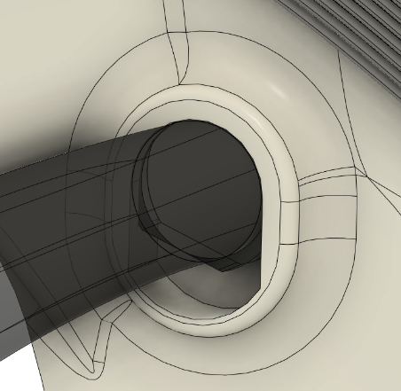
Integrated | Rubber Band Holder V3 | Designed to hold rubber bands to apply tension to auto close the jaw. It is also designed to be printed at many odd angles to survive the slicing process. | 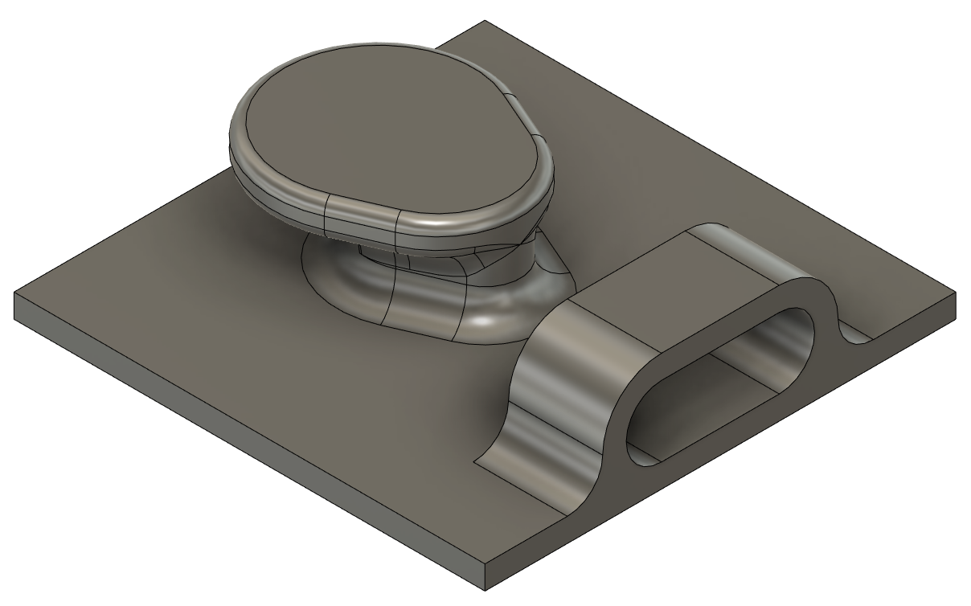
Experimental | Gapped Maw | Adding a "Flesh Plate" that follows the contour of the jaw edge allows the mouth to feel more voluminous whilst allowing extra space to be present underneath. This allows the tongue to sit more nicely within the mouth whilst leaving room for activities. | 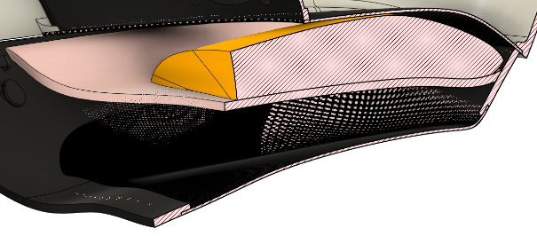
Experimental | Mesh Jaw Base | A mesh based lower jaw/chin allows the head to be lighter, however this has the drawback of being more brittle and will break more often if dropped.
Revision | Visor Ledge | Allows a mechanical backing to the vacuum formed visor so that it can sit flush with the edge, however unless the visor is cut perfectly small gaps will appear between the visor's edge and the print's. | 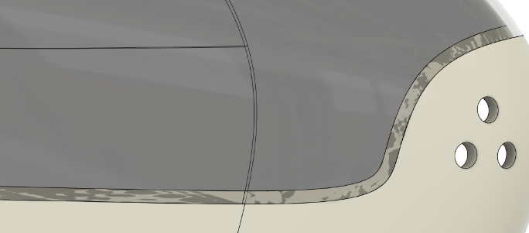
Revision | Maw Top Plate | This with the addition of providing a more realistic internal maw structure, allows the placement and diffusion of various components like light and ventilation. With its mesh construction results in a lighter build then a solid part however it lacks in robustness.
Experimental | Fin Cover | The fin cover allows electronics and other electro-mechanical/chemical components to be hidden from view whilst remaining protected. | 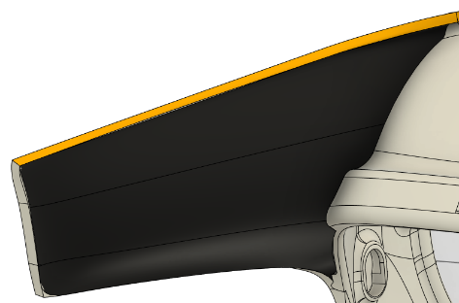
Experimental | Flush Visor Display Mount | The plate is designed to sit flush with the interior surface of the visor along with a mechanical connection with it (eventually). This mount also serves as a mount for the displays along with its pins required to drive them, making it easy to attach and detach (modular). | 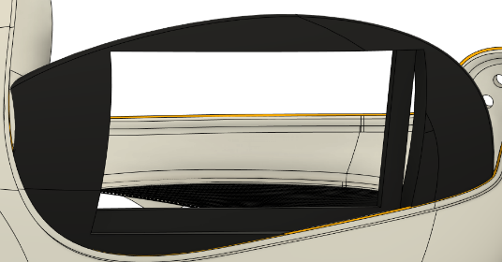
Ideation | Visor Notch | A mechanical join for the visor to latch onto. Whilst good in principle it may not work as well in practice for quick latching visors however a proper design is required.
Revision | Forehead Restraint | A forehead restraint which prevents the head from moving forward. Although good in the majority of cases, thi issue comes with it being too large around the sides and it also requiring foam or something to prevent the head from rolling forward due to its weight. | 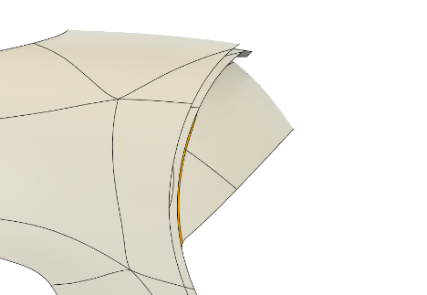
Obsolete | Through Head Cable Port | This port was designed to allow display and other data cables to travel from the electronics to the front, however this was superseded by better cable management at the forehead restraint along with the visor pins being on the forehead restraint which removes the need for hardset cables to go from the electronics in the fin to the electronics infront of the face. | 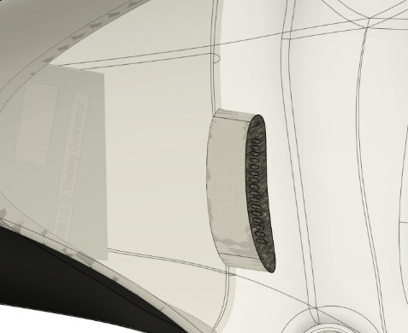
Obsolete | Backhead Restraint Mount | Simple Strap can be attached to the restraint. This design isn't good as it requires a separate tensioning mechanism which when attached to the side of the head creates unneccesary pain to the ears. | 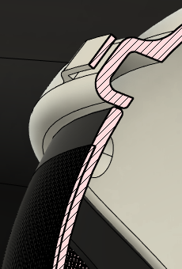
Ideation | Ventillation Aid Mask | Additional air flow that is directed into the face and out of the mask which prevents the backdraft of air, which decreases the CO2 and heat trapped within the helmet. | 